Sheet1
Code | Description | IMAGES | Expiry Dates | Qty | Units per Case | Qty (cases)
TERTBLUEXL60 | CHONGJEN EXTRA LARGE VINYL BLUE GLOVES X 100 (powder-free) | 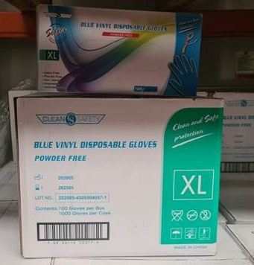 | May-25 | 900 | 10 | 90
VINGLOVNPWDM | MEDIUM VINYL CLEAR GLOVES X 100 (powder free) | 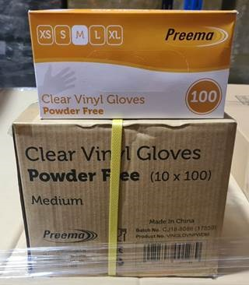 | NO DATE | 110 | 10 | 11
VINGLOVNPWDM | MEDIUM VINYL CLEAR GLOVES X 100 (powder free) | 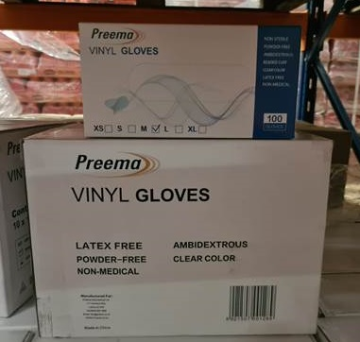 | 2025-06-04 | 5240 | 10 | 524
VINGLOVNPWDM | MEDIUM VINYL CLEAR GLOVES X 100 (powder free) | 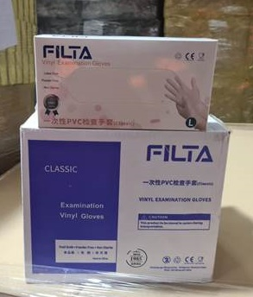 | Mar-25 | 1930 | 10 | 193
VINGLOVNPWDM | MEDIUM VINYL CLEAR GLOVES X 100 (powder free) | 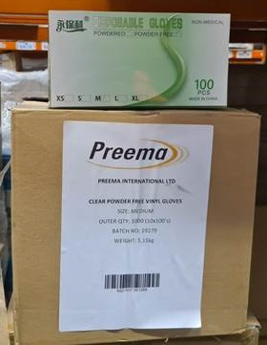 | 2023-06-06 | 6200 | 10 | 620
VINGLOVNPWDL | LARGE VINYL CLEAR GLOVES X 100 (powder free) | 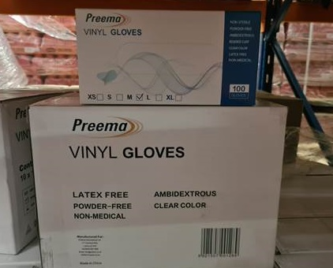 | 2025-06-04 | 3180 | 10 | 318
VINGLOVNPWDL | LARGE VINYL CLEAR GLOVES X 100 (powder free) |  | Mar-25 | 1350 | 10 | 135
VINGLOVSCPF | SMALL VINYL CLEAR GLOVES X 100 (powder free) | 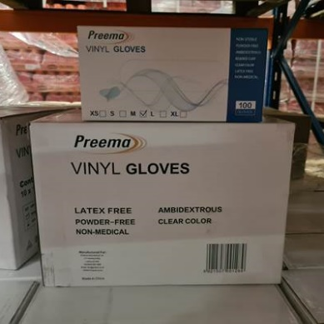 | 2025-06-04 | 5200 | 10 | 520
 |  |  |  | 24110

